TV spec.
公司名和地址 | Guangzhou Yimao Electronics Technology Co.,Ltd. Yimao Industrial Park No.89 Wenfa Road Tung Chung Town Nansha District Guangzhou City Contacts: Samantha Mobile: +86 13160806722 Whatsapp: +86 13160806722 Skype: Samantha Email: Samantha@
公司简介 | Company Profile Outstanding Functions with Competitive Price: AC/DC SOLAR LED TV, Bluetooth，Wireless,Smart TV--all can do in 32'' or lower inch. As a High-tech company, Guangzhou Yimao Electronics Technology Co.,Ltd. is specialized in designing, researching, manufactoring and selling LED TV, ELED TV, DLED TV, Smart TV, 3D TV and Curved TV. As a professional TV Manufactory, Yimao locates in Nansha Free Trade Zone of Guangzhou City with fast import and export customs clearance, convenient logistics, beautiful environment and independent industry park, and covers a workshop of more than 10000 square meters and a staff apartment of over 2000 square meters. Yimao has advanced professional TV production line, Open-cell workshop, multifunctional Digital-Analog integrated central signal source system, professional TV test equipments and laboratories. Yimao has formed an annual output production capacity with 1,000,000 sets of CBU and SKD TV, our productions are mainly exported to all over the world, such as South America, Southeast Asia, the Middle East and Europe etc. Our enterprise values are “Pragmatism, Concentration, Perfection, Progress”， On the basis of our Quality-Oriented and Technology Innovation, we are able to provide the high cost-effective products, and creat a nice future with our clients. Let's join together and share the success in the business. | 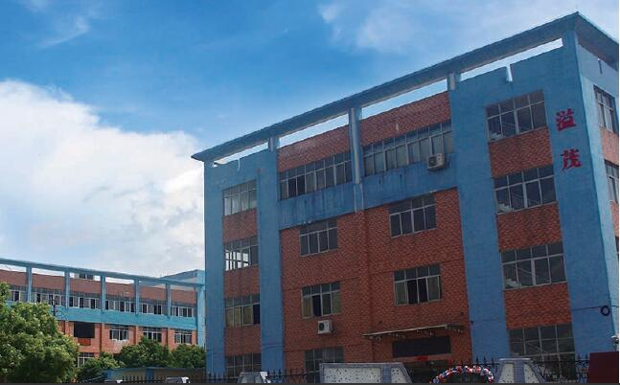 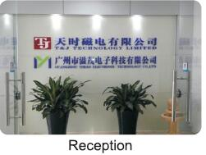 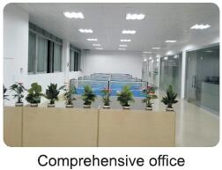 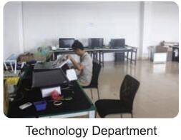 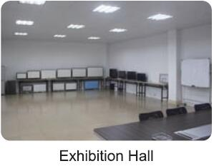 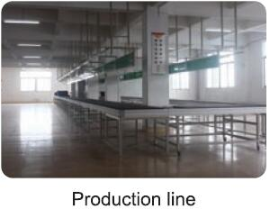
以下都是产品 | E05 SERIES ELED TV 14" 15.6" Loading Qty: | 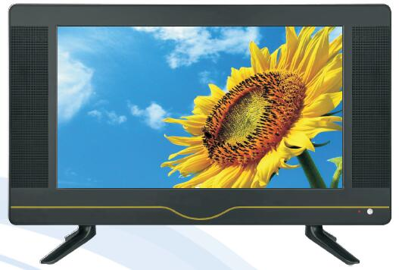 | Multi-Language OSD H.264 Backlight Adjustment DIVX UC-Pro SRS(option) HDMI 1.4a USB2.0
 | E06 Series ELED TV 27.5" 32" Loading Qty: | 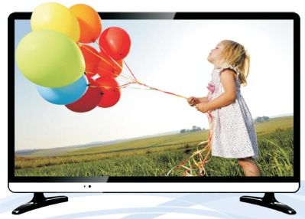
 | E07A/B SERIES ELED TV 17.3" 19" 21.5" 23" 23.6" Loading Qty: | 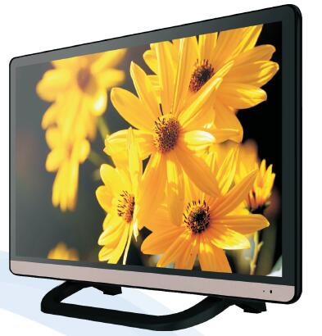
 | E08 (HiFi)SERIES ELED TV 21.5" 23" 23.6" Loading Qty: | 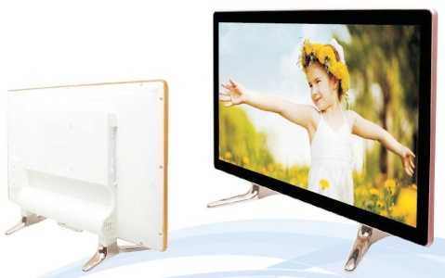
 | D08A SERIES DLED TV 18.5" 21.5" 23" 23.6" Loading Qty: | 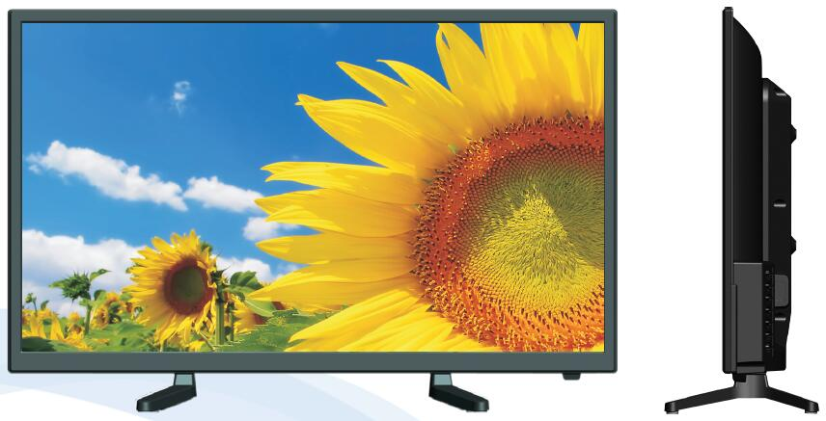
 | D08B SERIES DLED TV 27.5" 32" 38.5" 39" 41.6" 43" Loading Qty: | 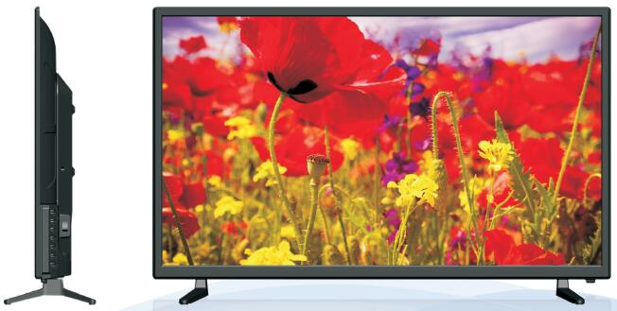
 | 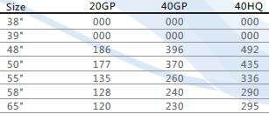 D08C SERIES DLED TV 38" 39" 48" 50" 55" 58" 65" Loading Qty: | 